Sheet1
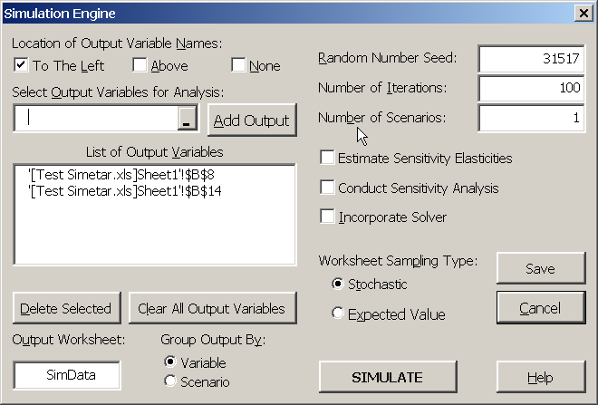
Test Simetar Demo.xlsx
© 2011

Parameters for a Normal Distribution
 | Mean | Std Dev
 | 10 | 3

Stoch X | 13.776173284 | =NORM(B6,C6)

Parameters for a Uniform Distribution
Min | Max
3 | 19

Stoch Y | 8.6044921875 | =UNIFORM(A12,B12)

